F0.1
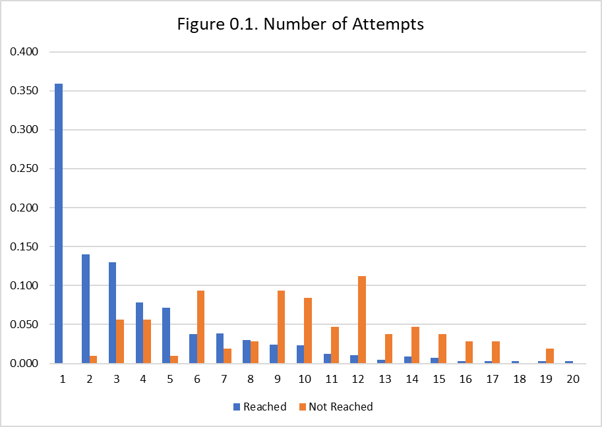

F0.2
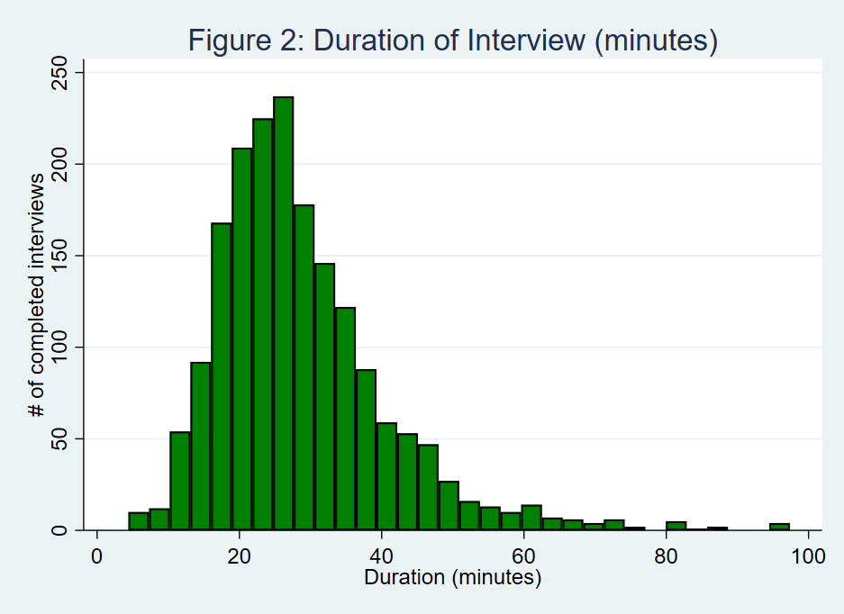

T2.1
Table 2.1. Prevalence of safe practices
 | % of respondents
Round 2: Prevalance of safe practices, last 7 days when in public… | Wash hands with soap & water | Wear a mask
All the time | 61.2 | 61.4
Most of the time | 15.5 | 10.9
About half the time | 6.0 | 5.3
Some of the time | 11.3 | 8.9
None of the time | 1.9 | 8.2
Not Applicable (have not been in public) | 4.1 | 5.2

Prevalence of safe practices, last 7 days (% of respondents)

T2.2
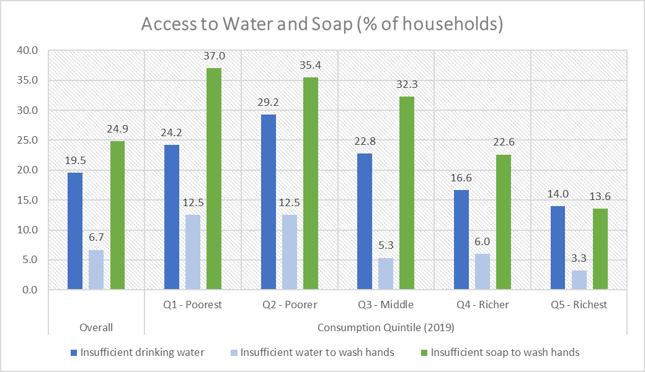
Table 2.2. Access to water and soap, past 7 days (Round 2 - June)
 | % of HHs | GHS Consumption Quintile (% of HHs)
 |  | Q1 | Q2 | Q3 | Q4 | Q5
Insufficient drinking water | 19.5 | 24.2 | 29.2 | 22.8 | 16.6 | 14.0
Insufficient water to wash your hands | 6.7 | 12.5 | 12.5 | 5.3 | 6.0 | 3.3
Insufficient soap to wash your hands | 24.9 | 37.0 | 35.4 | 32.3 | 22.6 | 13.6

T2.3
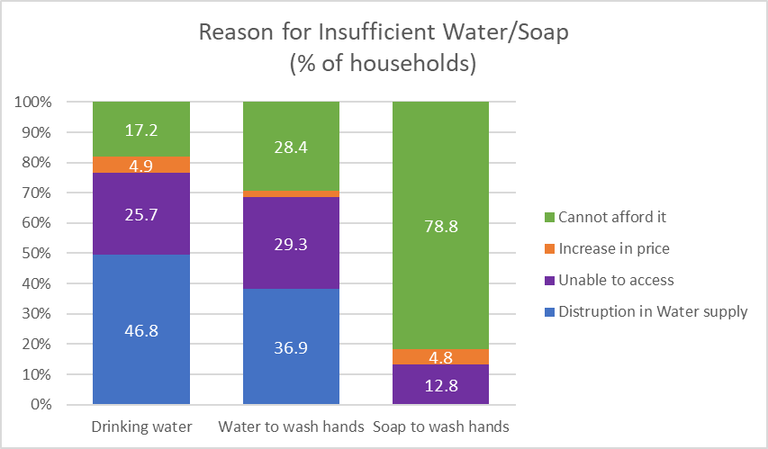
Table 2.3. Reasons water/soap was not sufficient (Round 2 - June)
 | Drinking water | Water to wash hands | Soap to wash hands
Water supply no longer available | 27.3 | 23.0 | 0.0
Water supply reduced | 13.7 | 7.8 | 0.0
Unable to access communal sources | 15.5 | 14.2 | 0.0
Shops have run out of stock | 4.8 | 2.4 | 0.8
Local markets not operating/ closed | 0.0 | 0.0 | 4.5
Limited / no transportation | 1.5 | 4.0 | 0.8
Restriction to go outside | 1.5 | 5.7 | 6.6
Increase in price | 4.9 | 2.1 | 4.8
Cannot afford it | 17.2 | 28.4 | 78.8
Afraid to get out and getting the virus | 0.0 | 1.3 | 0.1
No electricty (recoded) | 5.9 | 6.1 | 0.0
Source too far (recoded) | 2.4 | 1.7 | 0.0
Other | 5.3 | 3.2 | 3.6

T2.4
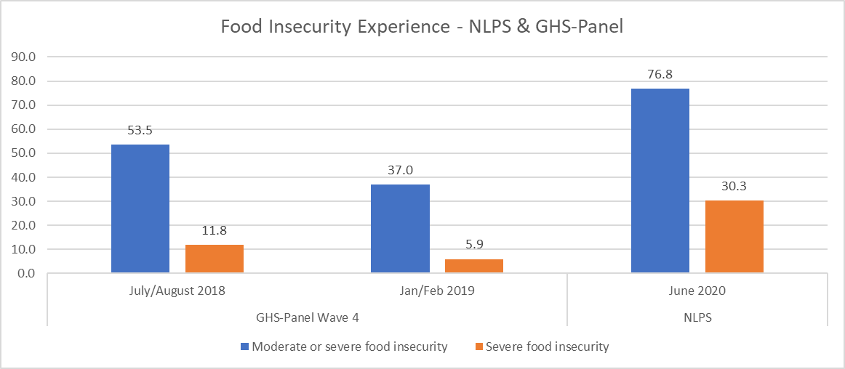
Table 2.4. Food Insecurity Experience (% of HHs)
 | NLPS | GHS - Wave 4
Due to lack of money or other resources: | Round 2 (June) | Post-Planting (July/Aug 2018) | Post-Harvest (Jan/Feb 2019)
FImod+sev: The proportion of the population experiencing moderate or severe food insecurity (SDG indicator 2.1.2) | 76.8 | 53.5 | 37.0
FIsev: The proportion of the population experiencing severe food insecurity | 30.3 | 11.8 | 5.9

T2.7
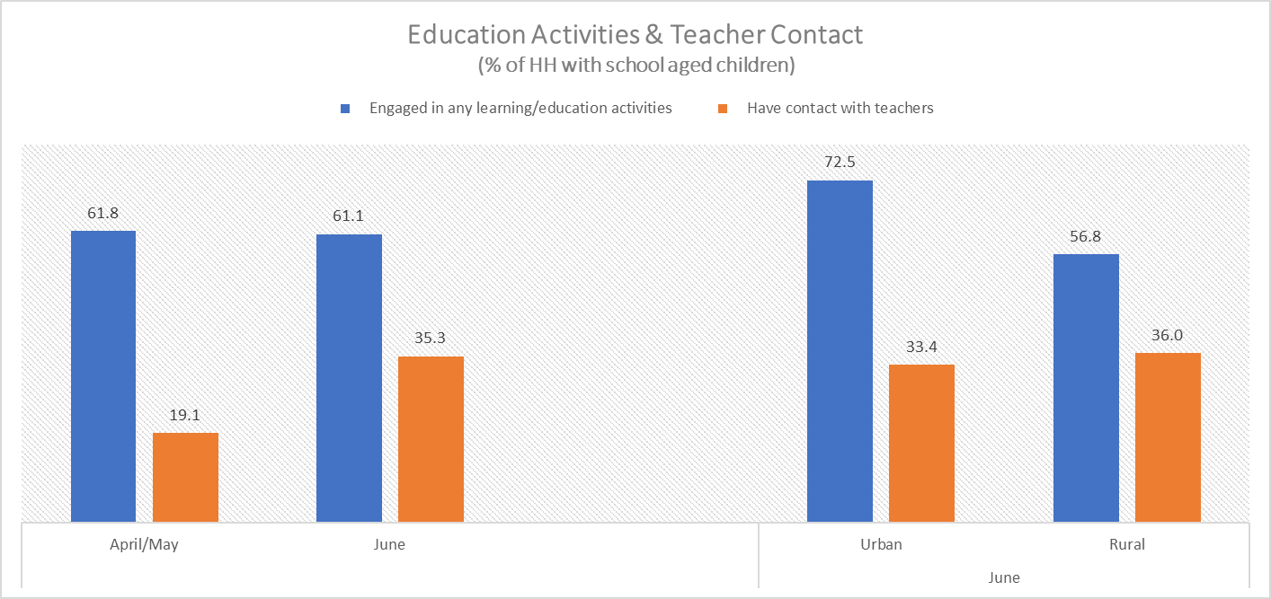
Table 2.7. Coronavirus restrictions - effects on education*
 | Round 1 (Apr/May) | Round 2 (June)
 | % of all HHs | % of all HHs | Percent HHs, by (GHS) consumption quintiles |  |  |  |  | Percent HHs, by sector
 |  |  | Q1 | Q2 | Q3 | Q4 | Q5 | Urban | Rural
HHs with children ages 5 - 20 | 80.2 | 74.8 | 89.3 | 94.9 | 87.4 | 77.7 | 52.2 | 65.5 | 79.0
HHs with children attending school, pre-closures | 92.8 | 92.6 | 92.1 | 97.8 | 94.3 | 92.8 | 87.5 | 87.7 | 94.5
Any students, in the past 7 days:
Engaged in any learning/education activities | 61.8 | 61.1 | 52.7 | 53.7 | 66.2 | 63.1 | 65.5 | 72.5 | 56.8
Have contact with teachers | 19.1 | 35.3 | 39.4 | 35.4 | 37.6 | 31.1 | 35.0 | 33.4 | 36.0

F3.1
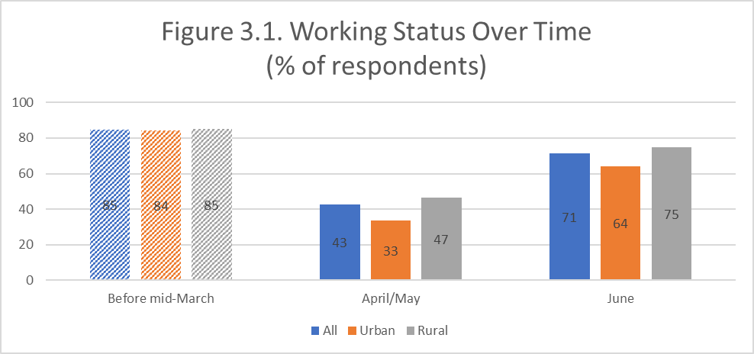

T3.1
Table 3.1. WORK LAST WEEK (any work for pay or any income generating activities)
 | % of respondents | Percent of respondents, by (GHS) consumption quintiles
 |  | Q1 | Q2 | Q3 | Q4 | Q5
Status of work
Working: also working at baseline | 36.8 | 29.7 | 39.7 | 35.4 | 39.7 | 36.8
Working: not working at baseline but working before the outbreak | 27.4 | 34.6 | 24.2 | 29.8 | 25.7 | 26.1
Working: not working at baseline nor before outbreak | 7.1 | 6.0 | 9.2 | 10.5 | 6.6 | 5.2
Stopped since baseline | 6.3 | 6.9 | 8.1 | 3.4 | 5.3 | 7.6
Stopped since outbreak | 15.5 | 19.5 | 14.4 | 17.9 | 10.8 | 16.5
Still not working (since pre-outbreak) | 6.9 | 3.3 | 4.5 | 2.9 | 11.9 | 7.7
Work status at time of interview

T3.1a
Table 3.1a. WORK LAST WEEK (any work for pay or any income generating activities)
 |  | Percent of respondents, by sectors
 | % of respondents | Agriculture | Construction, transport and professional activities | Commerce | Services
Status of work
Working: also working at baseline | 36.80 | 49.1 | 38.0 | 29.4 | 39.0
Working: not working at baseline but working before the outbreak | 27.41 | 23.1 | 33.8 | 33.6 | 33.2
Working: not working at baseline nor before outbreak | 7.11 | 10.2 | 2.6 | 10.5 | 3.2
Stopped since baseline | 6.32 | 6.9 | 5.7 | 6.1 | 8.0
Stopped since outbreak | 15.49 | 10.8 | 19.9 | 20.5 | 16.6
Still not working (since pre-outbreak) | 6.87

Work status at time of interview

T3.2
Table 3.2. WORK LAST WEEK (any work for pay or any income generating activities)
 | Percent of respondents, by sectors
 | Agriculture | Mining & Utilities | Construction, transport and professional activities | Commerce | Public Administation | Services
Status of work
Working: also working at baseline | 19.8 | 0.6 | 4.8 | 6.8 | 0.6 | 6.9
Working: not working at baseline but working before the outbreak | 9.3 | 0.6 | 4.3 | 7.8 | 1.6 | 5.9
Working: not working at baseline nor before outbreak | 4.1 | 0.1 | 0.3 | 2.4 | 0.0 | 0.6
Stopped since baseline | 2.8 | 0.1 | 0.7 | 1.4 | 0.4 | 1.4
Stopped since outbreak | 4.3 | 0.4 | 2.5 | 4.7 | 1.7 | 2.9
Impact of COVID-19 on working status by sector (% of respondents)

T3.4a
Table 3.4a. Job Search, Respondents
 | % of respondents not working

Not working (last week) (% of respondents) | 28.7
1. Temporarily absent | 73.4
1.1. Expect to return within 3 months | 39.3
1.2. They don't know when they will come back | 34.2
2. Searched for work (last 4 weeks**) | 4.8
3. Not searched for work | 21.8
** last 4 weeks is during outbreak

% of respondents not working
Note: Pie chart

Table 4.4a Job Search, Respondents
 | % of respondents not working

Not working (last week) (% of respondents) | 28.7
1. Temporarily absent | 73.4
2. Searched for work (last 4 weeks**) | 4.8
3. Not searched for work | 21.8

T3.5
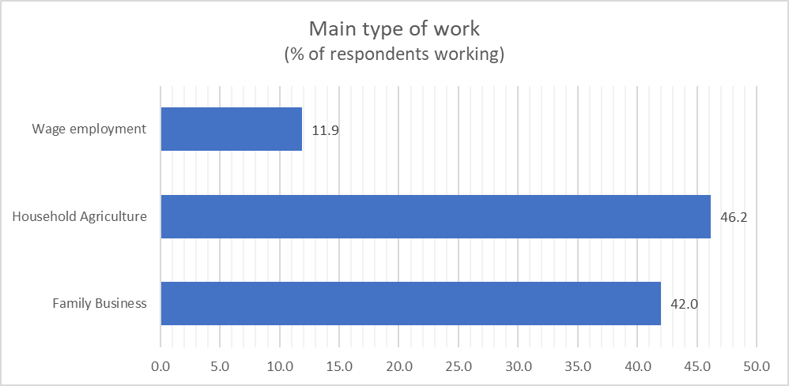
Table 3.5. Type of work of those respondents working
 | Round 1 (Apr/May) | Round 2 (June)
 | % of all respondents working | % of all respondents working | % of respondents in type of work that are classified as new workers in Round 2
Family Business | 40.0 | 42.0 | 49.3
Family farming (or livestock or fishing) | 42.0 | 46.2 | 46.1
Employee in private company | 11.7 | 7.1 | 52.8
Employee in government | 4.8 | 3.8 | 61.1
Paid apprentice/trainee/intern | 1.4 | 0.9 | 36.8
Percentage of respondents working | 42.6 | 71.3 | 48.4

F3.2
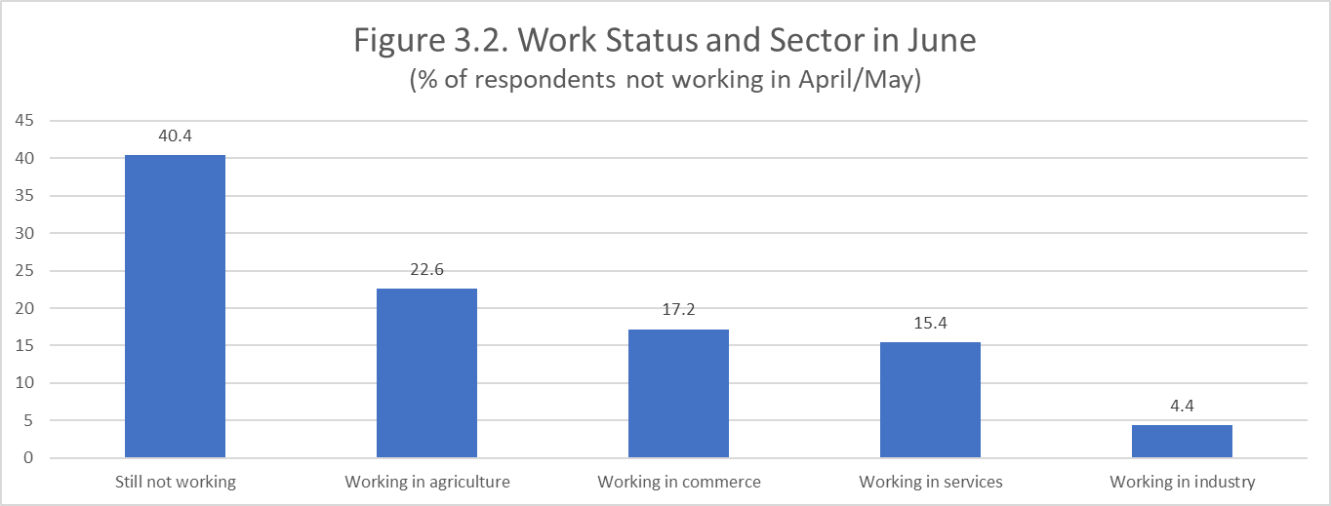

T3.9c
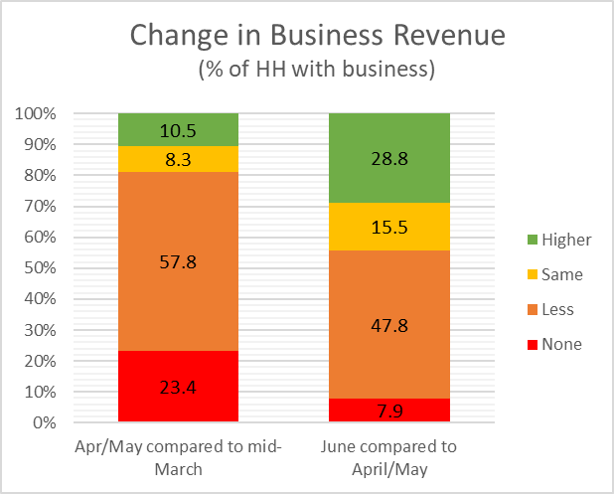
Table 3.9c Change in NFE revenue (% of HH with business)
 | None | Less | Same | Higher
Round 1 (Apr/May): sales revenue, compared to mid-March* | 23.4 | 57.8 | 8.3 | 10.5
(% of HHs in Round 1 with a family business)
Round 2 (June): sales revenue (early June), compared to April 2020 | 7.9 | 47.8 | 15.5 | 28.8
(% of HHs in Round 1 and 2 with a family business)

F3.3
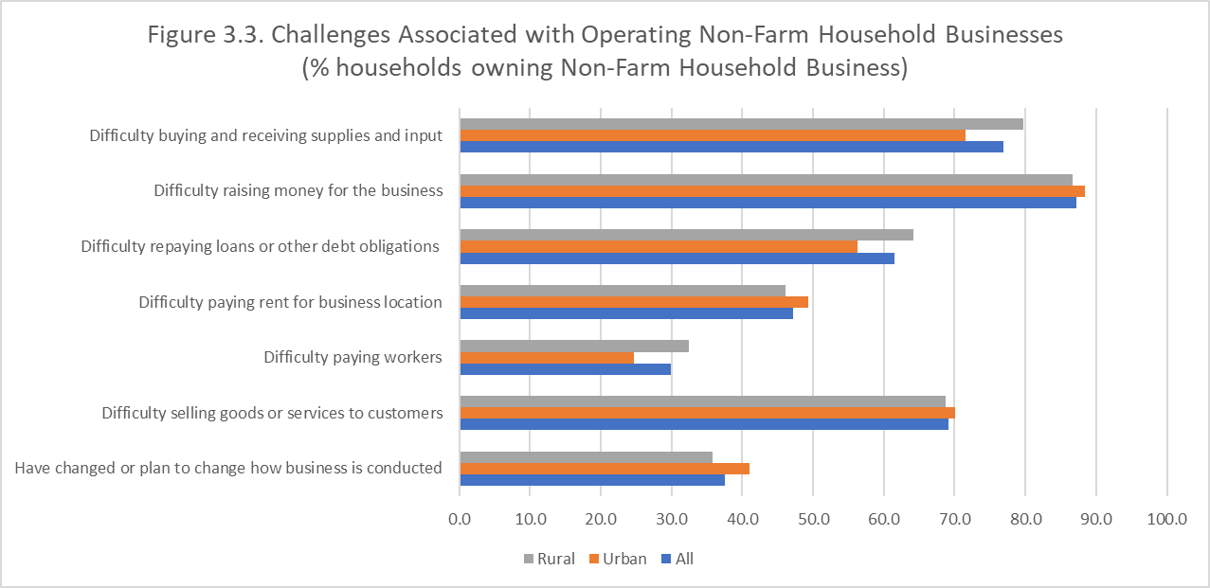

T3.12
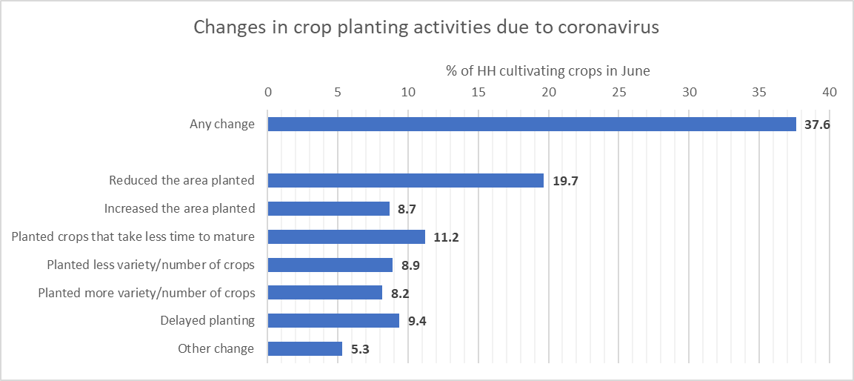
Table 3.12. Changes in crop planting activities due to coronavirus
 | % of HHs that changed planting activities | % of HH that did farmwork (land prep, planting) during 2020 agricultural season
HH Farmwork, but changed planting activities due to coronavirus crisis |  | 37.6
Abandoned crop farming | 0.9 | 0.3
Reduced the area planted | 52.3 | 19.7
Increased the area planted | 23.0 | 8.7
Planted crops that take less time to mature | 29.8 | 11.2
Planted less variety/number of crops | 23.7 | 8.9
Planted more variety/number of crops | 21.7 | 8.2
Delayed planting | 25.0 | 9.4
Other change | 14.1 | 5.3

